Strategy Summary
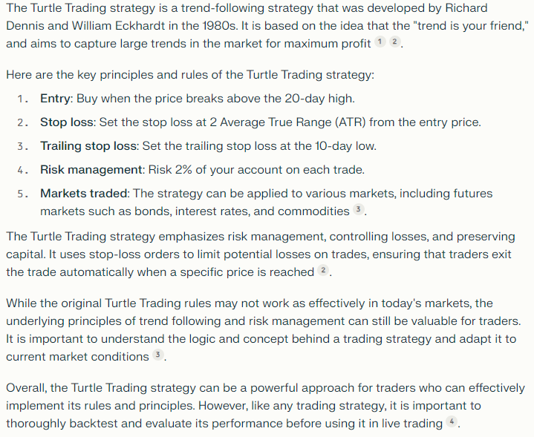
Turtle Trading Strategy Explained
https://macro-ops.com/richard-dennis-turtle-trading-strategy-explained/

Turtle Trading Tutorial
https://www.asktraders.com/learn-to-trade/trading-strategies/turtle-trading-tutorial/

Turtle Trading Rules
https://www.turtletrader.com/rules/

Formulae Used
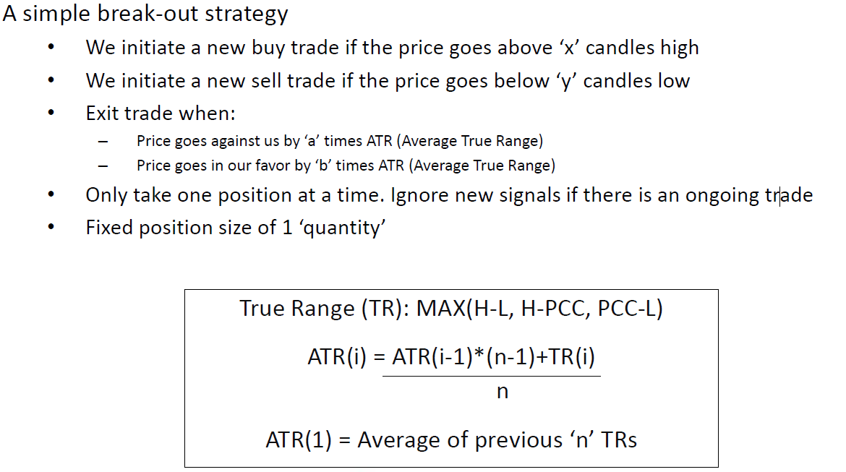

Status Formula

